Sheet2
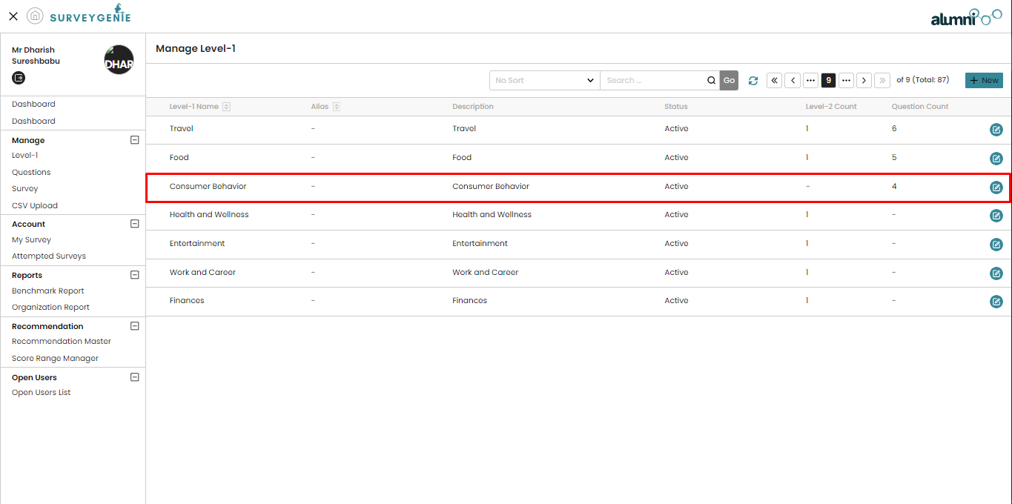
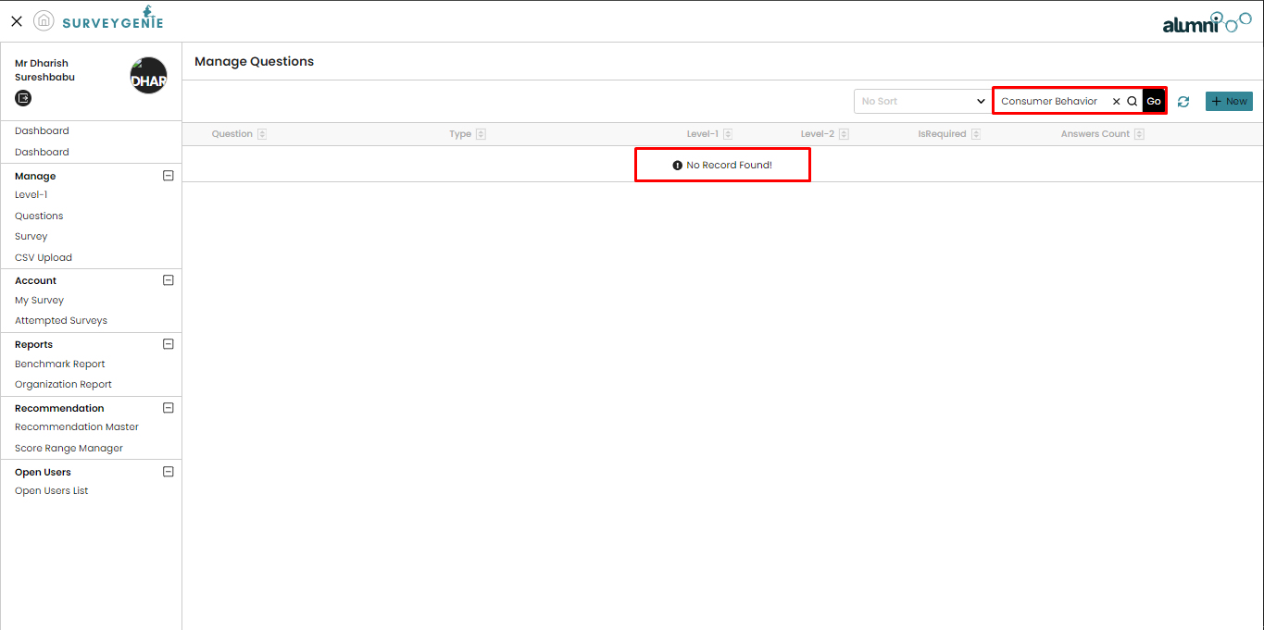

83 | No subcat
84 | yes
85 | yes
86 | yes
87 | yes

